Sheet1
ITEM | NO | PRICE
Spllt gram lentll | 500 gm | 57.5
Urad dal | 500 gm | 64.7
Kadala paruppu | 250 gm | 22
Pepper | 100 gm | 42.7
Cumin | 100 gm | 25.6
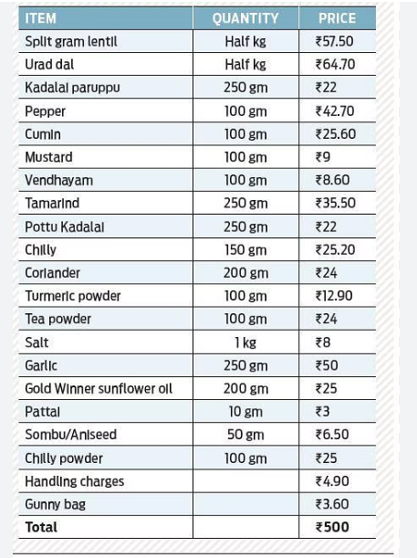
Mustard | 100 gm | 9
Vendhayam | 250 gm | 8.6
Tamarind | 200 gm | 35.5
Pottu Kadala | 150 gm | 22

 | 9 | 287.6

